FCF CALC
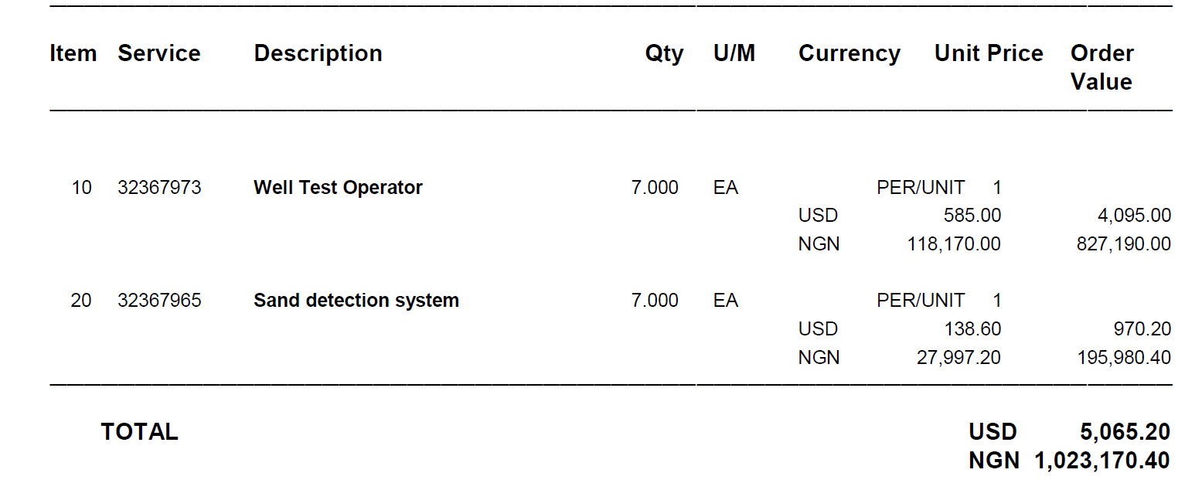
FCF CALCULATOR

GUIDELINE (please read) | TABLE 1
This calculator helps you quickly compute the Shell Share FCF value for your initiatives. | SAVINGS ('000 USD)

Please follow the steps to carry out your calculation: | CAPEX Savings ('000 USD) | -
1) Determine if your initiative will be saving cost or increasing Production | Implementation cost ('000 USD) |  | Legend | Entered Values
2) Use Table 1 for Savings and Table 2 for Production | SPDC- JV | - |  | Calculated Values
3a) For Savings (Table 1), use the first drop down to select Opex (including Feasex and Expex)/Capex
3b) Use the second drop down to select the Asset | TABLE 2
3c) Then, enter the Savings value (100%) and Implementation cost in the green cells | PRODUCTION FCF, ('000 USD)
3d) Read off the FCF values in the orange cells | Exp Gas Production (MMscf/d) | 20.94
4a) For Production (Table 2), use the first drop down to select Oil/Domgas/Export gas | Production Days (nr) | 365.00
4b) Use the second drop down to select the Asset | Implementation cost ('000 USD) | 6,268.73
4c) Then, enter the production value, no of days the production target was met in current year and Implementation cost in the green cells | SPDC- JV | 1,816.34
4d) Read off the FCF values in the orange cells

Note: For initatives not related to cost savings/production contact your finance advisor
or the PMO for support

